Sheet1
Category | Label | Value1 | Value2 | Value3 | Value4 | Value5 | Value6 | Value7 | Value8 | Value9 | Value10 | Value11 | Value12 | Value13 | Value14 | Value15 | Value16 | Value17 | Value18 | Value19 | Value20 | Value21 | Value22 | Value23 | Value24 | Value25 | Value26 | Value27 | Value28 | Value29 | Value30 | Value31 | Value32 | Value33 | Value34 | Value35 | Value36 | Value37 | Value38 | Value39 | Value40 | Value41 | Value42 | Value43 | Value44 | Value45 | Value46 | Value47 | Value48 | Value49 | Value50 | Value51 | Value52 | Value53 | Value54 | Value55 | Value56 | Value57 | Value58
Bug ID | ID number | 1 | 2 | 3 | 4 | 5 | 6 | 7 | 8 | 9 | 10 | 11 | 12 | 13 | 14 | 15 | 16 | 17 | 18 | 19 | 20 | 21 | 22 | 23 | 24 | 25 | 26 | 27 | 28 | 29 | 30 | 31 | 32 | 33 | 34 | 35 | 36 | 37 | 38 | 39 | 40 | 41 | 42 | 43 | 44 | 45 | 46 | 47 | 48 | 49 | 50 | 51 | 52 | 53 | 54 | 55 | 56 | 57 | 58
 | Name | Order is made with fake data | Order more items than in stock. Case: 100.000 more. | Opens birds page when clicked on main menu central picture | Wrong order in left item list on menu page | Category name "Fish" is not centred as other WebElements are | Same image for both "Angelfish" items | Same image for both "Koi" items | Same image for both "Goldfish" items | Inaccurate image for both "Goldfish" items | Category name "Dogs" is not centred as other WebElements are | Same image for both "Bulldog" items | Inaccurate image for both "Bulldog" items | Inaccurate image for "Poodle" item | Same image for both "Dalmation" items | Inaccurate image for "Dalmation" item | Typo in "Dalmation" categories page | Typo in "Dalmation" product page | Typo in 1st "Dalmation" product description | Typo in 2nd "Dalmation" product description | Typo in "Dalmation" 1st item page | Typo in "Dalmation" 2nd item page | Inaccurate image for "Golden Retriever" item | Duplicated 1st and 3rd item description on "Labrador Retriever" product page | Duplicated 2nd and 4th item description on "Labrador Retriever" product page | Inaccurate image for 1st "Labrador Retriever" item | Inaccurate image for 2nd "Labrador Retriever" item | Inaccurate image for 3rd "Labrador Retriever" item | Inaccurate image for 4th "Labrador Retriever" item | Duplicate 3rd "Labrador Retriever" description on item page | Duplicate 4th "Labrador Retriever" description on item page | Same image for both "Chihuahua" items | Inaccurate image for "Chihuahua" item | Category name "Cats" is not centred as other WebElements are | Same image for both "Manx" items | Same image for both "Persian" items | Inaccurate image for both "Persian" items | Category name "Reptiles" is not centred as other WebElements are | Same image for both "Rattlesnake" items | Non existing species "Venomless Rattlesnake" on product page | Non existing species "Venomless Rattlesnake" on item page | Non existing product mentioned in left item list on menu page | Category name "Birds" is not centred as other WebElements are | Inaccurate image for "Finch" item | Shopping Cart contents are gone after logout | Boolean values for "In Stock?" item status in Shopping Cart | User can remove only 1 item from Shopping Cart | "Remove" button in Shopping Cart is on the right side | There is no clickable JPetStore text or Logo for the user to go back on the Manu page | "Search" field and the Help page instructions to not match | Search input "Tiger Shark" displays two items | Search input "Golden Retriever" displays 2 duplicate items and 1 wrong | Search input "Lab Retriever" displays 2 duplicate items and 1 wrong | Search input "Amazon Parrot" displays 2 duplicate items | Search input "parot" displays no items | Text in password field on Sign in | My Account information password is not encrypted on input | My Account information "First name:" is not saved after logout | User is able to register with fake all fake input data
 | Reporter | Nikola Aleksic | Nikola Aleksic | Nikola Aleksic | Nikola Aleksic | Nikola Aleksic | Nikola Aleksic | Nikola Aleksic | Nikola Aleksic | Nikola Aleksic | Nikola Aleksic | Nikola Aleksic | Nikola Aleksic | Nikola Aleksic | Nikola Aleksic | Nikola Aleksic | Nikola Aleksic | Nikola Aleksic | Nikola Aleksic | Nikola Aleksic | Nikola Aleksic | Nikola Aleksic | Nikola Aleksic | Nikola Aleksic | Nikola Aleksic | Nikola Aleksic | Nikola Aleksic | Nikola Aleksic | Nikola Aleksic | Nikola Aleksic | Nikola Aleksic | Nikola Aleksic | Nikola Aleksic | Nikola Aleksic | Nikola Aleksic | Nikola Aleksic | Nikola Aleksic | Nikola Aleksic | Nikola Aleksic | Nikola Aleksic | Nikola Aleksic | Nikola Aleksic | Nikola Aleksic | Nikola Aleksic | Nikola Aleksic | Nikola Aleksic | Nikola Aleksic | Nikola Aleksic | Nikola Aleksic | Nikola Aleksic | Nikola Aleksic | Nikola Aleksic | Nikola Aleksic | Nikola Aleksic | Nikola Aleksic | Nikola Aleksic | Nikola Aleksic | Nikola Aleksic | Nikola Aleksic
 | Submit Date | 12/23/2019 | 12/23/2019 | 12/23/2019 | 12/30/2019 | 12/30/2019 | 12/30/2019 | 12/30/2019 | 12/30/2019 | 12/30/2019 | 12/30/2019 | 12/30/2019 | 12/30/2019 | 12/30/2019 | 12/30/2019 | 12/30/2019 | 12/30/2019 | 12/30/2019 | 12/30/2019 | 12/30/2019 | 12/30/2019 | 12/30/2019 | 12/30/2019 | 12/30/2019 | 12/30/2019 | 12/30/2019 | 12/30/2019 | 12/30/2019 | 12/30/2019 | 12/30/2019 | 12/30/2019 | 12/30/2019 | 12/30/2019 | 12/30/2019 | 12/30/2019 | 12/30/2019 | 12/30/2019 | 12/30/2019 | 12/30/2019 | 12/30/2019 | 12/30/2019 | 12/30/2019 | 12/30/2019 | 12/30/2019 | 12/31/2019 | 12/31/2019 | 12/31/2019 | 12/31/2019 | 12/31/2019 | 12/31/2019 | 12/31/2019 | 12/31/2019 | 12/31/2019 | 12/31/2019 | 12/31/2019 | 12/31/2019 | 12/31/2019 | 12/31/2019 | 12/31/2019
Bug overview | Relates to |  | Help page; Stock
 | Screenshot | 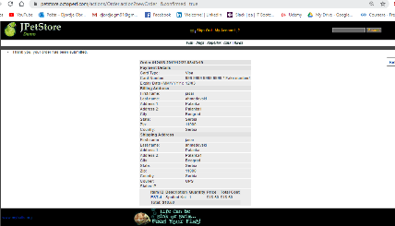 | 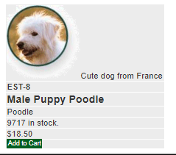 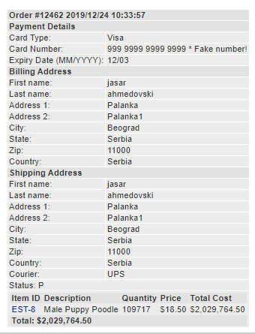 | 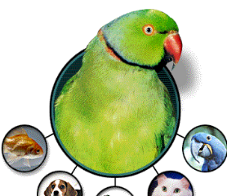 | 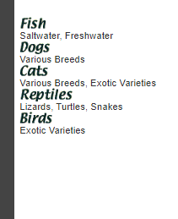 | 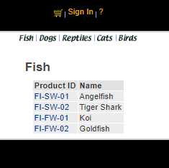 | 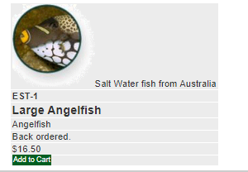 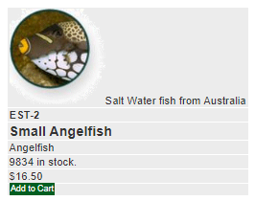 | 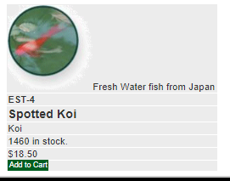 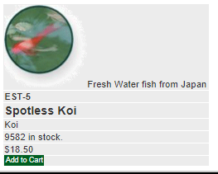 | 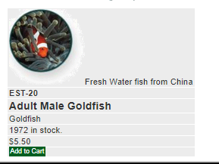 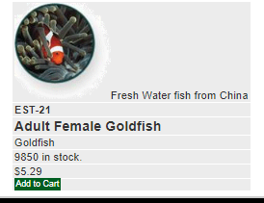 |  | 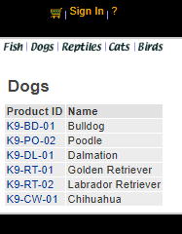 | 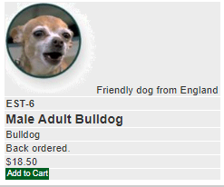 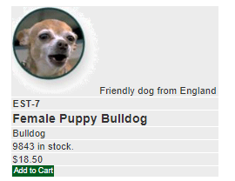 |  | 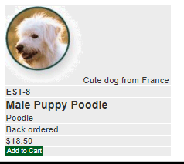 | 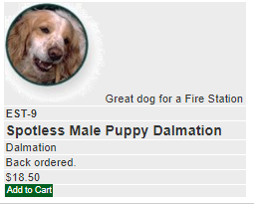 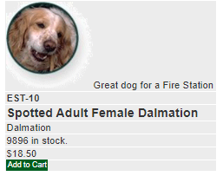 |  | 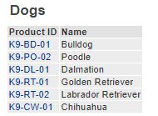 |  |  |  | 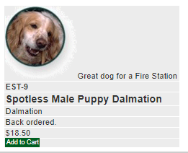 | 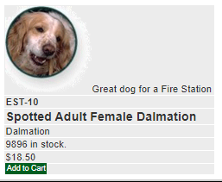 | 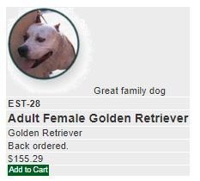 |  |  | 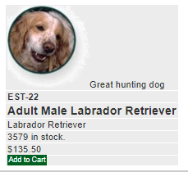 | 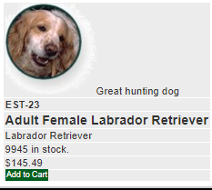 | 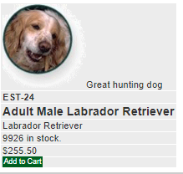 | 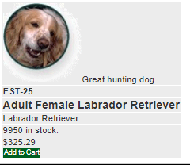 |  |  | 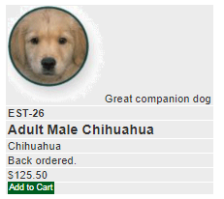 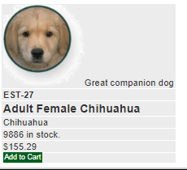 |  | 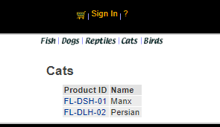 | 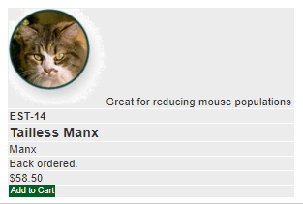 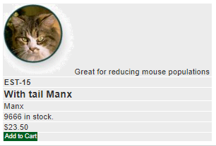 | 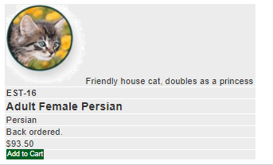 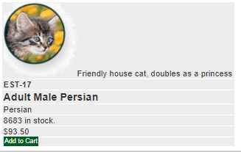 |  | 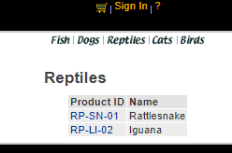 | 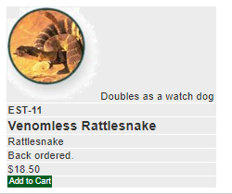 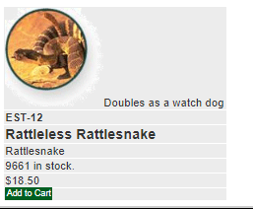 |  |  |  | 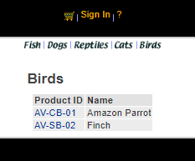 | 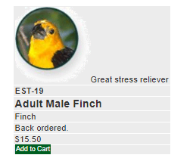 |  |  |  |  |  |  | 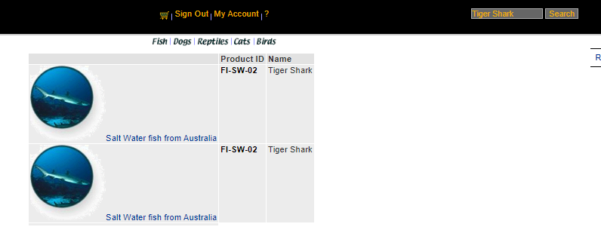 | 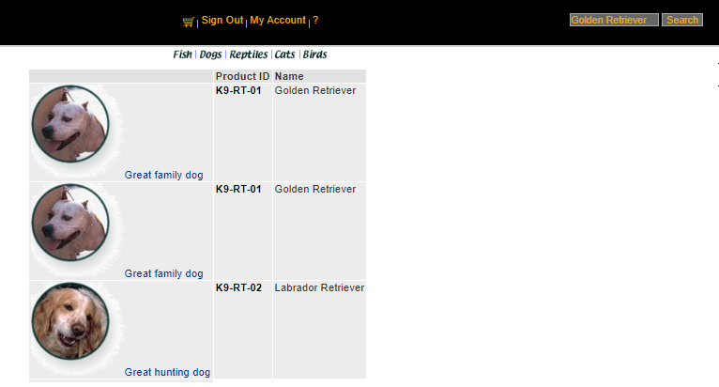 | 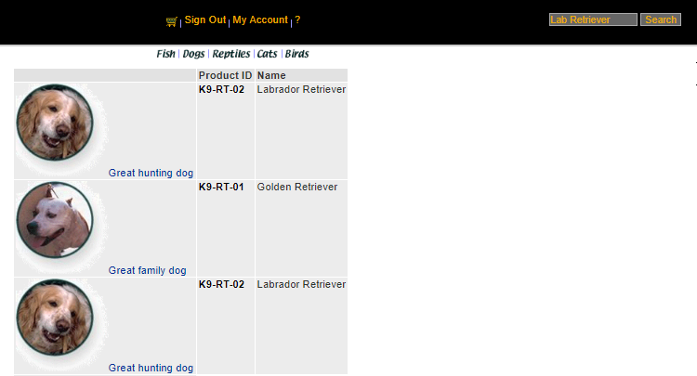 | 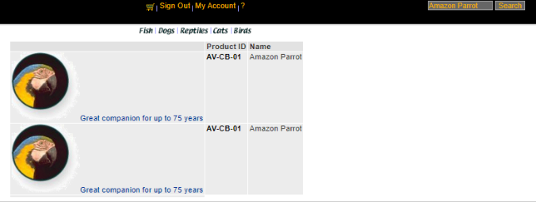 |  | 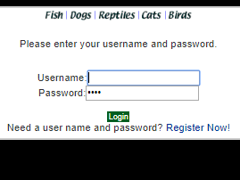 | 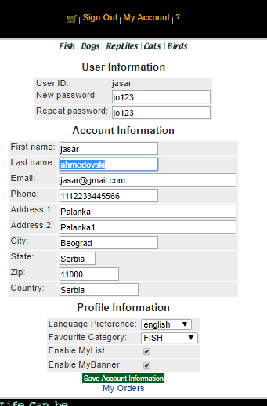 | 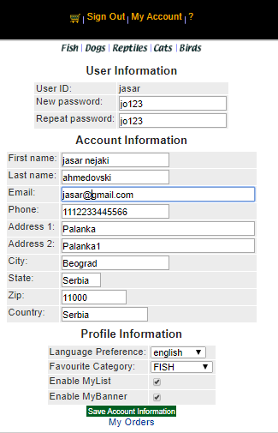 | 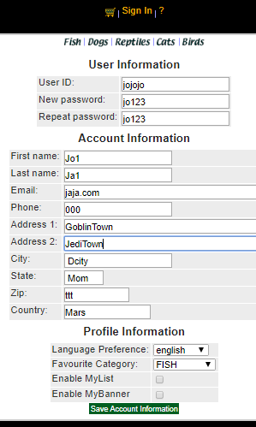
Environment | Platform |  |  |  |  |  |  |  |  |  |  |  |  |  |  |  |  |  |  |  |  |  |  |  |  |  |  |  |  | Value22 and Value24 Label | Value23 and Value25 Label
 | Operating System | Windows 10 | Windows 10 | Windows 10 | Windows 10 | Windows 10 | Windows 10 | Windows 10 | Windows 10 | Windows 10 | Windows 10 | Windows 10 | Windows 10 | Windows 10 | Windows 10 | Windows 10 | Windows 10 | Windows 10 | Windows 10 | Windows 10 | Windows 10 | Windows 10 | Windows 10 | Windows 10 | Windows 10 | Windows 10 | Windows 10 | Windows 10 | Windows 10 | Windows 10 | Windows 10 | Windows 10 | Windows 10 | Windows 10 | Windows 10 | Windows 10 | Windows 10 | Windows 10 | Windows 10 | Windows 10 | Windows 10 | Windows 10 | Windows 10 | Windows 10 | Windows 10 | Windows 10 | Windows 10 | Windows 10 | Windows 10 | Windows 10 | Windows 10 | Windows 10 | Windows 10 | Windows 10 | Windows 10 | Windows 10 | Windows 10 | Windows 10 | Windows 10
 | Browser | Chrome | Chrome | Chrome | Chrome | Chrome | Chrome | Chrome | Chrome | Chrome | Chrome | Chrome | Chrome | Chrome | Chrome | Chrome | Chrome | Chrome | Chrome | Chrome | Chrome | Chrome | Chrome | Chrome | Chrome | Chrome | Chrome | Chrome | Chrome | Chrome | Chrome | Chrome | Chrome | Chrome | Chrome | Chrome | Chrome | Chrome | Chrome | Chrome | Chrome | Chrome | Chrome | Chrome | Chrome | Chrome | Chrome | Chrome | Chrome | Chrome | Chrome | Chrome | Chrome | Chrome | Chrome | Chrome | Chrome | Chrome | Chrome
Bug details | Precondition steps |  |  |  | 1.Open Chrome browser; 2.input URL https://petstore.octoperf.com/ and click Enter key; 3. Click "Enter the Store"; | 1.Open Chrome browser; 2.input URL https://petstore.octoperf.com/ and click Enter key; 3. Click "Enter the Store"; Click on left menu category "Fish" | 1.Open Chrome browser; 2.input URL https://petstore.octoperf.com/ and click Enter key; 3. Click "Enter the Store"; Click on left menu category "Fish"; Click on "Angelfish" product ID | 1.Open Chrome browser; 2.input URL https://petstore.octoperf.com/ and click Enter key; 3. Click "Enter the Store"; Click on left menu category "Fish"; Click on "Koi" product ID | 1.Open Chrome browser; 2.input URL https://petstore.octoperf.com/ and click Enter key; 3. Click "Enter the Store"; Click on left menu category "Fish"; Click on "Goldfish" product ID | 1.Open Chrome browser; 2.input URL https://petstore.octoperf.com/ and click Enter key; 3. Click "Enter the Store"; Click on left menu category "Fish"; Click on "Goldfish" product ID | 1.Open Chrome browser; 2.input URL https://petstore.octoperf.com/ and click Enter key; 3. Click "Enter the Store"; Click on left menu category "Dogs" | 1.Open Chrome browser; 2.input URL https://petstore.octoperf.com/ and click Enter key; 3. Click "Enter the Store"; Click on left menu category "Dogs"; Click on "Bulldog" product ID | 1.Open Chrome browser; 2.input URL https://petstore.octoperf.com/ and click Enter key; 3. Click "Enter the Store"; Click on left menu category "Dogs"; Click on "Bulldog" product ID | 1.Open Chrome browser; 2.input URL https://petstore.octoperf.com/ and click Enter key; 3. Click "Enter the Store"; Click on left menu category "Dogs"; Click on "Poodle" product ID | 1.Open Chrome browser; 2.input URL https://petstore.octoperf.com/ and click Enter key; 3. Click "Enter the Store"; Click on left menu category "Dogs"; Click on "Dalmation" product ID | 1.Open Chrome browser; 2.input URL https://petstore.octoperf.com/ and click Enter key; 3. Click "Enter the Store"; Click on left menu category "Dogs"; Click on "Dalmation" product ID | 1.Open Chrome browser; 2.input URL https://petstore.octoperf.com/ and click Enter key; 3. Click "Enter the Store"; Click on left menu category "Dogs | 1.Open Chrome browser; 2.input URL https://petstore.octoperf.com/ and click Enter key; 3. Click "Enter the Store"; Click on left menu category "Dogs"; Click on "Dalmation" product ID | 1.Open Chrome browser; 2.input URL https://petstore.octoperf.com/ and click Enter key; 3. Click "Enter the Store"; Click on left menu category "Dogs"; Click on "Dalmation" product ID | 1.Open Chrome browser; 2.input URL https://petstore.octoperf.com/ and click Enter key; 3. Click "Enter the Store"; Click on left menu category "Dogs"; Click on "Dalmation" product ID | 1.Open Chrome browser; 2.input URL https://petstore.octoperf.com/ and click Enter key; 3. Click "Enter the Store"; Click on left menu category "Dogs"; Click on "Dalmation" product ID; Click on 1st product ID | 1.Open Chrome browser; 2.input URL https://petstore.octoperf.com/ and click Enter key; 3. Click "Enter the Store"; Click on left menu category "Dogs"; Click on "Dalmation" product ID; Click on 2nd product ID | 1.Open Chrome browser; 2.input URL https://petstore.octoperf.com/ and click Enter key; 3. Click "Enter the Store"; Click on left menu category "Dogs"; Click on "Golden Retriever" product ID | 1.Open Chrome browser; 2.input URL https://petstore.octoperf.com/ and click Enter key; 3. Click "Enter the Store"; Click on left menu category "Dogs"; Click on "Labrador Retriever" product ID | 1.Open Chrome browser; 2.input URL https://petstore.octoperf.com/ and click Enter key; 3. Click "Enter the Store"; Click on left menu category "Dogs"; Click on "Labrador Retriever" product ID | 1.Open Chrome browser; 2.input URL https://petstore.octoperf.com/ and click Enter key; 3. Click "Enter the Store"; Click on left menu category "Dogs"; Click on "Labrador Retriever" product ID | 1.Open Chrome browser; 2.input URL https://petstore.octoperf.com/ and click Enter key; 3. Click "Enter the Store"; Click on left menu category "Dogs"; Click on "Labrador Retriever" product ID | 1.Open Chrome browser; 2.input URL https://petstore.octoperf.com/ and click Enter key; 3. Click "Enter the Store"; Click on left menu category "Dogs"; Click on "Labrador Retriever" product ID | 1.Open Chrome browser; 2.input URL https://petstore.octoperf.com/ and click Enter key; 3. Click "Enter the Store"; Click on left menu category "Dogs"; Click on "Labrador Retriever" product ID | 1.Open Chrome browser; 2.input URL https://petstore.octoperf.com/ and click Enter key; 3. Click "Enter the Store"; Click on left menu category "Dogs"; Click on "Labrador Retriever" product ID | 1.Open Chrome browser; 2.input URL https://petstore.octoperf.com/ and click Enter key; 3. Click "Enter the Store"; Click on left menu category "Dogs"; Click on "Labrador Retriever" product ID | 1.Open Chrome browser; 2.input URL https://petstore.octoperf.com/ and click Enter key; 3. Click "Enter the Store"; Click on left menu category "Dogs"; Click on "Chihuahua" product ID | 1.Open Chrome browser; 2.input URL https://petstore.octoperf.com/ and click Enter key; 3. Click "Enter the Store"; Click on left menu category "Dogs"; Click on "Chihuahua" product ID | 1.Open Chrome browser; 2.input URL https://petstore.octoperf.com/ and click Enter key; 3. Click "Enter the Store"; Click on left menu category "Cats" | 1.Open Chrome browser; 2.input URL https://petstore.octoperf.com/ and click Enter key; 3. Click "Enter the Store"; Click on left menu category "Cats"; Click on "Manx" product ID | 1.Open Chrome browser; 2.input URL https://petstore.octoperf.com/ and click Enter key; 3. Click "Enter the Store"; Click on left menu category "Cats"; Click on "Persian" product ID | 1.Open Chrome browser; 2.input URL https://petstore.octoperf.com/ and click Enter key; 3. Click "Enter the Store"; Click on left menu category "Cats"; Click on "Persian" product ID | 1.Open Chrome browser; 2.input URL https://petstore.octoperf.com/ and click Enter key; 3. Click "Enter the Store"; Click on left menu category "Reptiles" | 1.Open Chrome browser; 2.input URL https://petstore.octoperf.com/ and click Enter key; 3. Click "Enter the Store"; Click on left menu category "Reptiles"; Click on "Rattlesnake" product ID | 1.Open Chrome browser; 2.input URL https://petstore.octoperf.com/ and click Enter key; 3. Click "Enter the Store"; Click on left menu category "Reptiles"; Click on "Rattlesnake" product ID | 1.Open Chrome browser; 2.input URL https://petstore.octoperf.com/ and click Enter key; 3. Click "Enter the Store"; Click on left menu category "Reptiles"; Click on "Rattlesnake" product ID | 1.Open Chrome browser; 2.input URL https://petstore.octoperf.com/ and click Enter key; 3. Click "Enter the Store"; | 1.Open Chrome browser; 2.input URL https://petstore.octoperf.com/ and click Enter key; 3. Click "Enter the Store"; Click on left menu category "Birds" | 1.Open Chrome browser; 2.input URL https://petstore.octoperf.com/ and click Enter key; 3. Click "Enter the Store"; Click on left menu category "Birds"; Click on "Finch" product ID | JPetStore Manu page is opened in Chrome | JPetStore Manu page is opened in Chrome | JPetStore Manu page is opened in Chrome | JPetStore Manu page is opened in Chrome | JPetStore Manu page is opened in Chrome | JPetStore Manu page is opened in Chrome | JPetStore Manu page is opened in Chrome | JPetStore Manu page is opened in Chrome | JPetStore Manu page is opened in Chrome | JPetStore Manu page is opened in Chrome | JPetStore Manu page is opened in Chrome | JPetStore Manu page is opened in Chrome | JPetStore Manu page is opened in Chrome | JPetStore Manu page is opened in Chrome | JPetStore Sign in page is opened in Chrome
 | Steps to reproduce | 1.Open Chrome browser; 2.input URL https://petstore.octoperf.com/ and click Enter key; 3. Click "Enter the Store"; 4. Click on Fish in top page menu; 5. Click on "FI-FW-01" clickable text left of the Koi fish name; 6. Click on "Add to Cart" for the fist item; 7. Click on "Add to Cart" for the fist item; 8. Click on "Proceed to Checkout" button; 9. Click on Continue button; 10.Click on Confirm button. | 1.Open Chrome browser; 2.input URL https://petstore.octoperf.com/ and click Enter key; 3. Click "Enter the Store"; 4. Click on Dogs in top page menu; 5. Click on "K9-RT-01" clickable text left of the Golden Retriever; 6. Click on "Add to Cart" for the fist item; 7. Click on "Add to Cart" for the fist item; 8. Input 109.717 in Quantity field; 9. Click on Update cart button; 10.Click on clickable text under Item ID; 11.Observe quantity in stock; 12.Navigate back to Shopping Cart; 13.Click on Proceed to Checkout button; 14.Click Continue button; 15.Click Confirm button | 1.Open Chrome browser; 2.input URL https://petstore.octoperf.com/ and click Enter key; 3. Click "Enter the Store"; 4. Click on central main picture of a bird. | 1.Observe left items menu list | Observe category name alignment | 1.Click on first item ID 2.Observe item image 3. Navigate back 4. Click on second item ID 5. Observe item image | 1.Click on first item ID 2.Observe item image 3. Navigate back 4. Click on second item ID 5. Observe item image | 1.Click on first item ID 2.Observe item image 3. Navigate back 4. Click on second item ID 5. Observe item image | 1.Click on first item ID 2.Observe item image 3. Navigate back 4. Click on second item ID 5. Observe item image | Observe category name alignment | 1.Click on first item ID 2.Observe item image 3. Navigate back 4. Click on second item ID 5. Observe item image | 1.Click on first item ID 2.Observe item image 3. Navigate back 4. Click on second item ID 5. Observe item image | 1.Click on first item 2.Observe item image | 1.Click on first item ID 2.Observe item image 3. Navigate back 4. Click on second item ID 5. Observe item image | 1.Click on first item ID 2.Observe item image 3. Navigate back 4. Click on second item ID 5. Observe item image | Observe 3rd category name | Observe category name | Observe 1st item description | Observe 2nd item description | Observe item description | Observe item description | 1.Click on first item ID 2.Observe item image | Observe 1st and 3rd item description | Observe 2nd and 4th item description | 1.Click on 1st item ID 2.Observe item image | 1.Click on 2nd item ID 2.Observe item image | 1.Click on 3rd item ID 2.Observe item image | 1.Click on 4th item ID 2.Observe item image | 1.Click on 3rd item ID 2.Observe item image 3.Navigate back 4.Click on 1st item ID 5.Observe item image | 1.Click on 3rd item ID 2.Observe item image 3.Navigate back 4.Click on 1st item ID 5.Observe item image | 1.Click on first item ID 2.Observe item image 3. Navigate back 4. Click on second item ID 5. Observe item image | 1.Click on first item ID 2.Observe item image 3. Navigate back 4. Click on second item ID 5. Observe item image | Observe category name alignment | 1.Click on first item ID 2.Observe item image 3. Navigate back 4. Click on second item ID 5. Observe item image | 1.Click on first item ID 2.Observe item image 3. Navigate back 4. Click on second item ID 5. Observe item image | 1.Click on first item ID 2.Observe item image 3. Navigate back 4. Click on second item ID 5. Observe item image | Observe category name alignment | 1.Click on first item ID 2.Observe item image 3. Navigate back 4. Click on second item ID 5. Observe item image | 1.Click on first item ID 2.Observe item image | 1.Click on first item ID 2.Observe item image | 1.Observe left items menu list and text under category "Reptiles; 2.Click on left menu category "Reptiles"; 3.Observe product list | Observe category name alignment | 1.Click on 1st item ID 2.Observe item image | 1.Click on left menu category "Birds"; 2.Click on "Finch" product ID; 3.Click on 1st item ID 4 Click on "Add to Cart" 5.Click on "Dogs" top category list 6.Click on "Poodle" product ID 7.Click on "Add to Cart" 8. Observe 2 items in Shopping Cart 9. Click Sign out 10.Click Sign in 11.Click on username field and input username 12.Click on password field and input password 13. Click "Login" button 14.Click on shopping cart icon 15.Observe that there is no items in the shopping cart | 1.Click on left menu category "Birds"; 2.Click on "Finch" product ID; 3.Click on 1st item ID 4 Click on "Add to Cart" 5.Click on "Dogs" top category list 6.Click on "Poodle" product ID 7.Click on "Add to Cart" 8. Observe 2 items "In Stock?" status in Shopping Cart | 1.Click on left menu category "Birds"; 2.Click on "Finch" product ID; 3.Click on 1st item ID 4 Click on "Add to Cart" 5.Click on "Dogs" top category list 6.Click on "Poodle" product ID 7.Click on "Add to Cart" 8.Click on "Cats" top category list 9.Click on "Persian" product ID 10.Click "Add to Cart" for the 1st item 11. Observe 3 items "In Stock?" status in Shopping Cart 12.Click "Remove" next to the 1st item 13.Observe 2 items in Shopping Cart 14.Click "Remove" next to the new 1st item 15.Observe error message | 1.Click on left menu category "Birds"; 2.Click on "Finch" product ID; 3.Click on 1st item ID 4 Click on "Add to Cart" 5.Click on "Dogs" top category list 6.Click on "Poodle" product ID 7.Click on "Add to Cart" 8.Click on "Cats" top category list 9.Click on "Persian" product ID 10.Click "Add to Cart" for the 1st item 11. Observe 3 items "In Stock?" status in Shopping Cart | Click on "?" sign to open Help page | 1.Click on "?" sign to open Help page 2.Observe search instructions 3.Navigate back 4. Observe position of search field | 1.Click on search filed 2.Type "Tiger Shark" 3. Click search button 4.Observe search results | 1.Click on search filed 2.Type "Golden Retriever" 3. Click search button 4.Observe search results | 1.Click on search filed 2.Type "Lab Retriever" 3. Click search button 4.Observe search results | 1.Click on search filed 2.Type "Amazon Parrot" 3. Click search button 4.Observe search results | 1.Click on search filed 2.Type "parot" 3. Click search button 4.Observe search results | 1.Click on Sign in clickable text 2. Observe password field | 1.Click on Sign in clickable text 2. Click on password field 3. Input "jo123" 4. Repeat same input in field bellow 5.Observe password and repeated password field | 1.Click on Sign in clickable text 2. Click on "First name:" field 3. Input "jasar nejaki" 4. Click on "Save Account Information" 5. Click logout | 1.Click on Sign in clickable text 2. Click "Register Now!" 3.Input "Jo1" in "First name:" 4. Input "Ja1" in "Last name:" 5.Input "jaja.com" in "Email:" 6.Input "000" in "Phone:" 7. Input "GoblinTown" in "Address 1:" 8. Input "JediTown" in "Address 2:" 9. Input "Dcity" in "City:" 10. Input "Mom" in "State:" 11. Input "ttt" in "Zip:" 12. Input "Mars" in "Country" 13.Click "Save Account Information" 14.Observe JPetStore Manu Page
 | Expected result | Order is not made because of the fake info, asking user to input valid data | Show "backordered" under "In Stock?" if the Quantity is higher, but completely unable the order to be submitted if the quantity is higher than JPetStore is able to manage. | Manu page is reopened. | displayed unordered items list: Fish, Dogs, Reptiles, Cats, Birds, with dedicated description | Category name "Fish" is centred | Different image for different items of Angelfish | Different image for different items of "Koi" | Different image for different items of "Goldfish" | Different image of "Goldfish" is displayed for both items | Category name "Dogs" is centred | Different image for different items of "Bulldog" | Different image for different items of "Bulldog" | Image of the breed "Poodle" | Different image for different items of "Dalmation" product | Different image for different items of "Dalmation" | Third category name is "Dalmatian" | Category name is "Dalmatian" | Product name contains word "Dalmatian" | Product name contains word "Dalmatian" | Product name contains word "Dalmatian" and category "Dalmatian" below it | Product name contains word "Dalmatian" and category "Dalmatian" below it | Image of item breed "Golden Retriever" | Different items description | Different items description | Image of item breed "Labrador Retriever" | Image of item breed "Labrador Retriever" | Image of item breed "Labrador Retriever" | Image of item breed "Labrador Retriever" | Image of item breed "Labrador Retriever" | Image of item breed "Labrador Retriever" | Different image for different items of "Chihuahua" product | Different image for different items of "Chihuahua" | Category name "Cats" is centred | Different image for different items of "Manx" product | Different image for different items of "Persian" product | Different image for different items of "Persian" product | Category name "Reptiles" is centred | Different image for different items of "Rattlesnake" product | Description of item without " Venomless" word | Description of item without " Venomless" word | List of 3 products | Category name "Birds" is centred | Image of item "Finch" | Items added to shopping cart should remain in shopping cart after user has logged out | If the item is not in stock it should show "backordered" and not false, according to the Help page documentation | User is able to remove 1 and every item from the Shopping Cart | "Remove" button in Shopping Cart is on the items left side | Clickable text or Logo so the user could easily go back to shopping | Search field is in the centre of the banner | Only one item is displayed | Only one item is displayed | Only one item is displayed | Only one item is displayed | Items with at least "par" in their name should appear in search results | Password field is empty | Password text should be encrypted | New first name is saved | User is not allowed to register with fake data
 | Actual result | Orders page is opened showing text " Thank you, your order | "In Stock?" on Shopping Cart page doesn't show "backordered" if the Quantity is higher. Order is submitted for irregular quantities, which can not be managed. | Birds page is opened | displayed unordered items list: Fish, Dogs, Cats, Reptiles, Birds, with dedicated description | Category name "Fish" is not centred | Same image is displayed for both Angelfish items | Same image is displayed for both "Koi" items | Same image is displayed for "Goldfish" items | Same inaccurate image is displayed for both "Goldfish" items | Category name "Dogs" is not centred | Same image is displayed for "Bulldog" items | Same inaccurate image is displayed for both "Bulldog" items | Image displayed is of other breed | Same image is displayed for "Dalmation" items | Same inaccurate image is displayed for both "Dalmation" items | Third category name is "Dalmation" | Category name is "Dalmation" | Category name contains word "Dalmation" | Category name contains word "Dalmation" | Item name contains word "Dalmation" and category title "Dalmation" bellow it | Item name contains word "Dalmation" and category title "Dalmation" bellow it | Image displayed is of other breed | Same items description | Same items description | Image displayed is of other breed | Image displayed is of other breed | Image displayed is of other breed | Image displayed is of other breed | Image displayed is of other breed | Image displayed is of other breed | Same image is displayed for "Chihuahua" items | Same inaccurate image is displayed for both "Chihuahua"items | Category name "Cats" is not centred | Same image is displayed for "Manx" items | Same image is displayed for "Persian" items | Same image is displayed for "Persian" items | Category name "Reptiles" is not centred | Same image is displayed for "Rattlesnake" items | Description of item with " Venomless" word | Description of item with " Venomless" word | List of 2 products | Category name "Birds" is not centred | Image displayed is of some other bird | Items added to shopping cart did not remain in shopping cart after user has logged out | Boolean values for "In Stock?" item status in Shopping Cart | User is able to remove only 1 item from the Shopping Cart | "Remove" button in Shopping Cart is on the items right side | clickable text or Logo so the user could easily go back to shopping doesn't exist | Search field is in the centre of the banner is in the right corner of the banner | Two same items are displayed | Two same items and one wrong, are displayed | Two same items and one wrong, are displayed | Two same items are displayed | No items are in search results | Password field is empty has text | Password text is not encrypted | New first name is not saved | User is registered with fake data
 | Description | Registered user is able to make an order by just clicking on "Confirm" button, with prefilled and fake data. | It is possible to submit order for Quantities abnormally higher than in Stock. Under "In Stock?" on Shopping Cart page, it doesn't show "backordered" if Quantity is higher than in stock. | When clicked on the central main picture of menu page, birds page is opened instead of reopening menu page. | Order of left item list is not right. "Cats" and "Reptiles" category are replaced. | Category name "Fish" is not aligned and centred as other WebElements are | Same image is displayed for both Angelfish categories instead of different | Same image is displayed for both Koi categories instead of different | Same image is displayed for both "Goldfish" categories instead of different | Same inaccurate image of "Clownfish" is displayed for both "Goldfish" items | Category name "Dogs" is not aligned and centred as other WebElements are | Same image is displayed for both "Bulldog" items instead of different | Same image is displayed for both "Bulldog" items instead of different | Image displayed doesn't show the breed "Poodle" | Same image is displayed for both "Dalmation" items instead of different | Same image is displayed for both "Dalmation" items instead of different | Typo in 3rd category name, as it shows "Dalmation" instead of "Dalmatian" | Typo in category name, as it shows "Dalmation" instead of "Dalmatian" | Typo in 1st product description, as it shows "Dalmation" instead of "Dalmatian" | Typo in 2nd product description, as it shows "Dalmation" instead of "Dalmatian" | Typo in product description, as it shows "Dalmation" instead of "Dalmatian" | Typo in product description, as it shows "Dalmation" instead of "Dalmatian" | Image is displayed for some other breed instead of "Golden Retriever" | First and third item description are the same, where they should be different. | Second and fourth item description are the same, where they should be different. | Image is displayed for some other breed instead of "Labrador Retriever" | Image is displayed for some other breed instead of "Labrador Retriever" | Image is displayed for some other breed instead of "Labrador Retriever" | Image is displayed for some other breed instead of "Labrador Retriever" | Image is displayed for some other breed instead of "Labrador Retriever" | Image is displayed for some other breed instead of "Labrador Retriever" | Same image is displayed for both "Chihuahua" items instead of different | Same image is displayed for both "Chihuahua" items instead of different | Category name "Cats" is not aligned and centred as other WebElements are | Same image is displayed for both "Manx" items instead of different | Same image is displayed for both "Persian" items instead of different | Same incorrect image of kitten is displayed on both item pages, instead of adequate image of "Persian" adult cats | Category name "Reptiles" is not aligned and centred as other WebElements are | Same image is displayed for both "Rattlesnake" items instead of different | Because of the fact that there are no venomless Rattlesnakes, word "venomless" is not needed | Because of the fact that there are no venomless Rattlesnakes, word "venomless" is not needed | There are only 2 products "Lizards" and "Snakes", and no "Turtles" | Category name "Birds" is not aligned and centred as other WebElements are | The image displayed as an item image for "Adult Male Finch" is not correct. | After adding items in shopping cart and logging out, user has to add items of interest in the shopping cart once again because they are no longer there | When the user chooses to buy items which are not in stock and goes to Shopping Cart, "In Stock?" status should state "backordered" and not Boolean values true/false | The user is able to remove only 1 item from the Shopping Cart and if he tries to remove another one, the duplicate message "Attempted to remove null CartItem from Cart." is displayed | "Remove" button in the Shopping Cart should be on the left side of the item so it would be associated with different motor action than adding to Cart. The Help page states that the "Remove" button should be on the left side of the idem | User is not able to intuitively go back to shopping by clicking on clickable Logo of the JPetStore | Search filed and Help page instructions do not match. Search filed is on the right, instead in the centre. | When user inputs exact name of the product, there should be no duplicates search results | When user inputs exact name of the product, there should be no duplicates or wrong search results | When user inputs exact or partial name that clearly indicates the product, there should be no duplicates or wrong search results | When user inputs exact name of the product, there should be no duplicates or wrong search results | When user inputs partial of wrong product name, the search results should contain at least products that begin with 2 or 3 letters of the search input text | When user tries to log in the password filed is already filled | When user enters new password and repeats it bellow, the password text is not encrypted | When user enters new first name, it is not saved after saving account information and logout | User is enabled to input fake data in registration fields and to register
Bug tracking | Severity | Critical | High | Low | Low | Low | Low-to-Medium | Low-to-Medium | Low-to-Medium | Low-to-Medium | Low | Low-to-Medium | Low-to-Medium | Low-to-Medium | Low-to-Medium | Low-to-Medium | Low | Low | Low | Low | Low | Low | Low-to-Medium | Low-to-Medium | Low-to-Medium | Low-to-Medium | Low-to-Medium | Low-to-Medium | Low-to-Medium | Low-to-Medium | Low-to-Medium | Low-to-Medium | Low-to-Medium | Low | Low-to-Medium | Low-to-Medium | Low-to-Medium | Low | Low-to-Medium | Low-to-Medium | Low-to-Medium | Low | Low | Low-to-Medium | Low-to-Medium | Low-to-Medium | Low-to-Medium | Low | Low | Low | Low | Low | Low | Low | Medium | High | High | High | Critical
 | Assigned to | dev team | dev team | dev team | dev team | dev team | dev team | dev team | dev team | dev team | dev team | dev team | dev team | dev team | dev team | dev team | dev team | dev team | dev team | dev team | dev team | dev team | dev team | dev team | dev team | dev team | dev team | dev team | dev team | dev team | dev team | dev team | dev team | dev team | dev team | dev team | dev team | dev team | dev team | dev team | dev team | dev team | dev team | dev team | dev team | dev team | dev team | dev team | dev team | dev team | dev team | dev team | dev team | dev team | dev team | dev team | dev team | dev team | dev team
 | Priority | Medium | Medium | Low | Low | Low | Low | Low | Low | Low | Low | Low | Low | Low | Low | Low | Low | Low | Low | Low | Low | Low | Low | Low | Low | Low | Low | Low | Low | Low | Low | Low | Low | Low | Low | Low | Low | Low | Low | Low | Low | Medium | Low | Low | Medium | Medium | Low | Low | Low | Low | Low | Low | Low | Low | Low | Low | High | Medium | High
Notes | Notes |  | Contact client and ask for the manageable order quantity. | a)Conclusion is drawn from the fact that when clicked on site logo in top left corner, the menu page is opened. b)On the other note, if the flagship item in PetStore are birds, than this might not be a bug, but an intentional. | a)Conclusion is drawn from the fact that top and central items lists on menu page are the same. |  | Check if the wrong image is used or the client did not provide a different one at all. | Check if the wrong image is used or the client did not provide a different one at all. | Check if the wrong image is used or the client did not provide a different one at all. | Check if the wrong image is used or the client did not provide a correct one at all. |  | Check if the wrong image is used or the client did not provide a different one at all. | Check if the wrong image is used or the client did not provide a correct one at all. | Check if the wrong image is used or the client did not provide a correct one at all. | Check if the wrong image is used or the client did not provide a correct one at all. | Check if the wrong image is used or the client did not provide a correct one at all. |  |  |  |  |  |  | Check if the wrong image is used or the client did not provide a correct one at all. | Check if some other more descriptive word should be included in 3rd item description, since prices and item IDs are different | Check if some other more descriptive word should be included in 4th item description, since prices and item IDs are different | Check if the wrong image is used or the client did not provide a correct one at all. | Check if the wrong image is used or the client did not provide a correct one at all. | Check if the wrong image is used or the client did not provide a correct one at all. | Check if the wrong image is used or the client did not provide a correct one at all. | Check if the wrong image is used or the client did not provide a correct one at all. | Check if the wrong image is used or the client did not provide a correct one at all. | Check if the wrong image is used or the client did not provide a different one at all. | Check if the wrong image is used or the client did not provide a correct one at all. |  | Check if the wrong image is used or the client did not provide a different one at all. |  | Check if the wrong image is used or the client did not provide a different one at all. |  |  |  |  |  |  | Check if the wrong image is used or the client did not provide a correct one at all. |  |  |  |  |  |  |  |  |  |  |  |  |  | Other fields should be checked too. | Other fields should be checked too.

Summery note: - All images should be checked again with the client. - All body WebElements should be checked for alignment

